計算表
不考慮RC4.9.3
Line | Location | FTopArea | FBotArea | VArea cm^2/cm | BarSize | BarArea | TopNumber | BotNumber | BName | AdjBname | VSize | VBarArea | VSpacing | maxspacingM | maxspacingLNR
B19 | Start | 74.926977977 | 18.843127182 | 0.06695901393 | 8 | 5.07 | 15 | 4 | FG1-91 | "B4FG1-91"( | 2#4 | 1.27 | 12.00 | 25 | 15 | 80 | 200 | 10 | 5 | 4 | 0
B19 | Middle | 106.95725679 | 8.6588208796 | 0.06695901393 | 8 | 5.07 | 22 | 3 | FG1-91 | "B4FG1-91"( | 2#4 | 1.27 | 12.00 | 25 | 15 | 80 | 200 | 10 | 12 | 3 | 0
B19 | End | 58.16759076 | 113.18523437 | 0.11156920809 | 8 | 5.07 | 12 | 23 | FG1-91 | "B4FG1-91"( | 2#4 | 1.27 | 12.00 | 25 | 15 | 80 | 200 | 10 | 2 | 10 | 13
B29 | Start | 51.454557106 | 1.271279616 | 0.06695901393 | 8 | 5.07 | 11 | 3 | FG1-81 | "B4FG1-81"( | 2#4 | 1.27 | 12.00 | 25 | 15 | 80 | 200 | 9 | 2 | 3 | 0
B29 | Middle | 89.492471889 | 2.5649825693 | 0.20316867158 | 8 | 5.07 | 18 | 3 | FG1-81 | "B4FG1-81"( | 2#4 | 1.27 | 12.00 | 25 | 15 | 80 | 200 | 10 | 8 | 3 | 0
B29 | End | 23.755310103 | 154.27702107 | 0.3176227212 | 8 | 5.07 | 5 | 31 | FG1-81 | "B4FG1-81"( | 2#4 | 1.27 | 12.00 | 25 | 15 | 80 | 200 | 5 | 0 | 10 | 21
考慮RC4.9.3
B30 | Start | 0 | 129.01761569 | 0.3700082656 | 8 | 5.07 | 3 | 26 | FG1-82 | "B4FG1-82"( | 2#4 | 1.27 | 12.00 | 25 | 15 | 80 | 200 | 3 | 0 | 10 | 16
B30 | Middle | 47.853793949 | 33.568213694 | 0.37976072636 | 8 | 5.07 | 10 | 7 | FG1-82 | "B4FG1-82"( | 2#4 | 1.27 | 12.00 | 25 | 15 | 80 | 200 | 10 | 0 | 7 | 0
B30 | End | 113.22977953 | 73.401150294 | 0.18257849151 | 8 | 5.07 | 23 | 15 | FG1-82 | "B4FG1-82"( | 2#4 | 1.27 | 12.00 | 25 | 15 | 80 | 200 | 10 | 13 | 10 | 5
B36 | Start | 31.617600471 | 12.945500202 | 0.13364254264 | 8 | 5.07 | 7 | 3 | Fb1-71 | "B4Fb1-71"( | 2#4 | 1.27 | 15.00 | 25 | 15 | 60 | 200 | 7 | 0 | 3 | 0
B36 | Middle | 71.828053333 | 0 | 0.086622283561 | 8 | 5.07 | 15 | 3 | Fb1-71 | "B4Fb1-71"( | 2#4 | 1.27 | 15.00 | 25 | 15 | 60 | 200 | 7 | 8 | 3 | 0
B36 | End | 32.710568048 | 83.704693243 | 0.14776210301 | 8 | 5.07 | 7 | 17 | Fb1-71 | "B4Fb1-71"( | 2#4 | 1.27 | 15.00 | 25 | 15 | 60 | 200 | 7 | 0 | 7 | 10
B39 | Start | 0 | 83.499914035 | 0.11290471302 | 8 | 5.07 | 3 | 17 | Fb1-72 | "B4Fb1-72"( | 2#4 | 1.27 | 15.00 | 25 | 15 | 60 | 200 | 3 | 0 | 7 | 10
B39 | Middle | 10.247266619 | 23.125549778 | 0.11360073695 | 8 | 5.07 | 3 | 5 | Fb1-72 | "B4Fb1-72"( | 2#4 | 1.27 | 15.00 | 25 | 15 | 60 | 200 | 3 | 0 | 5 | 0
B39 | End | 19.820050802 | 38.160448894 | 0.050219258992 | 8 | 5.07 | 4 | 8 | Fb1-72 | "B4Fb1-72"( | 2#4 | 1.27 | 15.00 | 25 | 15 | 60 | 200 | 4 | 0 | 6 | 2
B50 | Start | 46.501448378 | 0.385326166 | 0.072038749931 | 8 | 5.07 | 10 | 3 | FG1-71 | "B4FG1-71"( | 2#4 | 1.27 | 12.00 | 25 | 15 | 80 | 200 | 10 | 0 | 3 | 0
B50 | Middle | 96.3226147 | 0 | 0.18843200523 | 8 | 5.07 | 19 | 3 | FG1-71 | "B4FG1-71"( | 2#4 | 1.27 | 12.00 | 25 | 15 | 80 | 200 | 10 | 9 | 3 | 0
B50 | End | 42.574186809 | 154.18424271 | 0.36833044142 | 8 | 5.07 | 9 | 31 | FG1-71 | "B4FG1-71"( | 2#4 | 1.27 | 12.00 | 25 | 15 | 80 | 200 | 9 | 0 | 10 | 21
B51 | Start | 0 | 157.87404031 | 0.36046977621 | 8 | 5.07 | 3 | 32 | FG1-72 | "B4FG1-72"( | 2#4 | 1.27 | 12.00 | 25 | 15 | 80 | 200 | 3 | 0 | 10 | 22
B51 | Middle | 19.322462613 | 59.199975803 | 0.37022223696 | 8 | 5.07 | 4 | 12 | FG1-72 | "B4FG1-72"( | 2#4 | 1.27 | 12.00 | 25 | 15 | 80 | 200 | 4 | 0 | 10 | 2
B51 | End | 69.000623189 | 129.85487469 | 0.22110976279 | 8 | 5.07 | 14 | 26 | FG1-72 | "B4FG1-72"( | 2#4 | 1.27 | 12.00 | 25 | 15 | 80 | 200 | 10 | 4 | 10 | 16
B54 | Start | 81.489831209 | 14.777397737 | 0 | 8 | 5.07 | 17 | 3 | FG1-E'2 | "B4FG1-E'2"( | #4 | 1.27 | 15.00 | 25 | 15 | 80 | 200 | 10 | 7 | 3 | 0
B54 | Middle | 78.68450135 | 3.6026843009 | 0.19540304784 | 8 | 5.07 | 16 | 3 | FG1-E'2 | "B4FG1-E'2"( | #4 | 1.27 | 12.00 | 25 | 15 | 80 | 200 | 10 | 6 | 3 | 0
B54 | End | 8.7374792201 | 35.028422717 | 0.18612226704 | 8 | 5.07 | 3 | 7 | FG1-E'2 | "B4FG1-E'2"( | #4 | 1.27 | 12.00 | 25 | 15 | 80 | 200 | 3 | 0 | 7 | 0
B57 | Start | 11.582713341 | 46.787154861 | 0 | 8 | 5.07 | 3 | 10 | FG1-86 | "B4FG1-86"( | 2#4 | 1.27 | 12.00 | 25 | 15 | 80 | 200 | 3 | 0 | 10 | 0
B57 | Middle | 16.65527001 | 32.550494652 | 0 | 8 | 5.07 | 4 | 7 | FG1-86 | "B4FG1-86"( | 2#4 | 1.27 | 12.00 | 25 | 15 | 80 | 200 | 4 | 0 | 7 | 0
B57 | End | 2.4056593247 | 31.166521367 | 0 | 8 | 5.07 | 3 | 7 | FG1-86 | "B4FG1-86"( | 2#4 | 1.27 | 12.00 | 25 | 15 | 80 | 200 | 3 | 0 | 7 | 0
B63 | Start | 29.618500266 | 5.3799361922 | 0.12029100908 | 8 | 5.07 | 6 | 3 | Fb1-61 | "B4Fb1-61"( | 2#4 | 1.27 | 15.00 | 25 | 15 | 60 | 200 | 6 | 0 | 3 | 0
B63 | Middle | 70.012565702 | 0 | 0.072931998875 | 8 | 5.07 | 14 | 3 | Fb1-61 | "B4Fb1-61"( | 2#4 | 1.27 | 15.00 | 25 | 15 | 60 | 200 | 7 | 7 | 3 | 0
B63 | End | 34.688350279 | 77.587841079 | 0.13924540253 | 8 | 5.07 | 7 | 16 | Fb1-61 | "B4Fb1-61"( | 2#4 | 1.27 | 15.00 | 25 | 15 | 60 | 200 | 7 | 0 | 7 | 9
B66 | Start | 0 | 78.493077308 | 0.071922730422 | 8 | 5.07 | 3 | 16 | Fb1-62 | "B4Fb1-62"( | 2#4 | 1.27 | 15.00 | 25 | 15 | 60 | 200 | 3 | 0 | 7 | 9
B66 | Middle | 7.8840501374 | 28.630285524 | 0.075443339301 | 8 | 5.07 | 3 | 6 | Fb1-62 | "B4Fb1-62"( | 2#4 | 1.27 | 15.00 | 25 | 15 | 60 | 200 | 3 | 0 | 6 | 0
B66 | End | 4.8995722318 | 31.907407101 | 0.050219258992 | 8 | 5.07 | 3 | 7 | Fb1-62 | "B4Fb1-62"( | 2#4 | 1.27 | 15.00 | 25 | 15 | 60 | 200 | 3 | 0 | 7 | 0
B70 | Start | 95.96134536 | 122.76524678 | 0.14552106149 | 8 | 5.07 | 19 | 25 | FG2-D'3 | "B4FG2-D'3"( | #4 | 1.27 | 15.00 | 25 | 15 | 120 | 280 | 16 | 3 | 16 | 9
B70 | Middle | 154.84621748 | 37.475719582 | 0.10043851798 | 8 | 5.07 | 31 | 8 | FG2-D'3 | "B4FG2-D'3"( | #4 | 1.27 | 25.00 | 25 | 15 | 120 | 280 | 16 | 15 | 8 | 0
B70 | End | 147.86342159 | 15.974887647 | 0 | 8 | 5.07 | 30 | 4 | FG2-D'3 | "B4FG2-D'3"( | #4 | 1.27 | 15.00 | 25 | 15 | 120 | 280 | 16 | 14 | 4 | 0
B75 | Start | 46.748416498 | 27.795920614 | 0.06695901393 | 8 | 5.07 | 10 | 6 | FG1-87 | "B4FG1-87"( | 2#4 | 1.27 | 12.00 | 25 | 15 | 80 | 200 | 10 | 0 | 6 | 0
B75 | Middle | 63.899992965 | 0 | 0 | 8 | 5.07 | 13 | 3 | FG1-87 | "B4FG1-87"( | 2#4 | 1.27 | 12.00 | 25 | 15 | 80 | 200 | 10 | 3 | 3 | 0
B75 | End | 27.588161174 | 49.800761044 | 0 | 8 | 5.07 | 6 | 10 | FG1-87 | "B4FG1-87"( | 2#4 | 1.27 | 12.00 | 25 | 15 | 80 | 200 | 6 | 0 | 10 | 0
B82 | Start | 15.232774895 | 148.63149263 | 0.11189756915 | 8 | 5.07 | 4 | 30 | FG1-E'3 | "B4FG1-E'3"( | #4 | 1.27 | 15.00 | 25 | 15 | 80 | 200 | 4 | 0 | 10 | 20
B82 | Middle | 110.09660549 | 39.09456078 | 0.06695901393 | 8 | 5.07 | 22 | 8 | FG1-E'3 | "B4FG1-E'3"( | #4 | 1.27 | 25.00 | 25 | 15 | 80 | 200 | 10 | 12 | 8 | 0
B82 | End | 107.25648142 | 10.986009147 | 0 | 8 | 5.07 | 22 | 3 | FG1-E'3 | "B4FG1-E'3"( | #4 | 1.27 | 15.00 | 25 | 15 | 80 | 200 | 10 | 12 | 3 | 0
B83 | Start | 46.387757175 | 0 | 0.06695901393 | 8 | 5.07 | 10 | 3 | FG1-61 | "B4FG1-61"( | 2#4 | 1.27 | 12.00 | 25 | 15 | 80 | 200 | 10 | 0 | 3 | 0
B83 | Middle | 94.46201846 | 0 | 0.18871584907 | 8 | 5.07 | 19 | 3 | FG1-61 | "B4FG1-61"( | 2#4 | 1.27 | 12.00 | 25 | 15 | 80 | 200 | 10 | 9 | 3 | 0
B83 | End | 38.625467569 | 128.94977815 | 0.34878044389 | 8 | 5.07 | 8 | 26 | FG1-61 | "B4FG1-61"( | 2#4 | 1.27 | 12.00 | 25 | 15 | 80 | 200 | 8 | 0 | 10 | 16
B84 | Start | 0 | 131.5891929 | 0.27770409361 | 8 | 5.07 | 3 | 26 | FG1-62 | "B4FG1-62"( | 2#4 | 1.27 | 12.00 | 25 | 15 | 80 | 200 | 3 | 0 | 10 | 16
B84 | Middle | 18.816206139 | 52.817147225 | 0.28745655436 | 8 | 5.07 | 4 | 11 | FG1-62 | "B4FG1-62"( | 2#4 | 1.27 | 12.00 | 25 | 15 | 80 | 200 | 4 | 0 | 9 | 2
B84 | End | 48.597352579 | 110.34402065 | 0.20728355739 | 8 | 5.07 | 10 | 22 | FG1-62 | "B4FG1-62"( | 2#4 | 1.27 | 12.00 | 25 | 15 | 80 | 200 | 10 | 0 | 10 | 12
B90 | Start | 38.628329057 | 39.890157059 | 0.050219258992 | 8 | 5.07 | 8 | 8 | Fb1-77 | "B4Fb1-77"( | 2#4 | 1.27 | 15.00 | 25 | 15 | 60 | 200 | 6 | 2 | 6 | 2
B90 | Middle | 66.585047171 | 0 | 0.050219258992 | 8 | 5.07 | 14 | 3 | Fb1-77 | "B4Fb1-77"( | 2#4 | 1.27 | 15.00 | 25 | 15 | 60 | 200 | 7 | 7 | 3 | 0
B90 | End | 43.896739371 | 34.503571223 | 0.050219258992 | 8 | 5.07 | 9 | 7 | Fb1-77 | "B4Fb1-77"( | 2#4 | 1.27 | 15.00 | 25 | 15 | 60 | 200 | 7 | 2 | 7 | 0
B93 | Start | 55.75182382 | 205.96681163 | 0 | 8 | 5.07 | 11 | 41 | FG2-6'4 | "B4FG2-6'4"( | 2#4 | 1.27 | 12.00 | 25 | 15 | 80 | 200 | 9 | 2 | 10 | 31
B93 | Middle | 44.2281086 | 123.68165888 | 0 | 8 | 5.07 | 9 | 25 | FG2-6'4 | "B4FG2-6'4"( | 2#4 | 1.27 | 12.00 | 25 | 15 | 80 | 200 | 9 | 0 | 10 | 15
B93 | End | 0 | 108.35738853 | 0 | 8 | 5.07 | 3 | 22 | FG2-6'4 | "B4FG2-6'4"( | 2#4 | 1.27 | 12.00 | 25 | 15 | 80 | 200 | 3 | 0 | 10 | 12
B112 | Start | 0 | 69.655566476 | 0.10043851798 | 8 | 5.07 | 3 | 14 | FG2-D'4 | "B4FG2-D'4"( | #4 | 1.27 | 15.00 | 25 | 15 | 120 | 280 | 3 | 0 | 14 | 0
B112 | Middle | 52.102627233 | 60.375933535 | 0.10043851798 | 8 | 5.07 | 11 | 12 | FG2-D'4 | "B4FG2-D'4"( | #4 | 1.27 | 25.00 | 25 | 15 | 120 | 280 | 11 | 0 | 12 | 0
B112 | End | 50.98298192 | 103.97112928 | 0.10043851798 | 8 | 5.07 | 11 | 21 | FG2-D'4 | "B4FG2-D'4"( | #4 | 1.27 | 15.00 | 25 | 15 | 120 | 280 | 11 | 0 | 16 | 5
B114 | Start | 57.859760709 | 127.34537013 | 0.06695901393 | 8 | 5.07 | 12 | 26 | FG2-6'5 | "B4FG2-6'5"( | 2#4 | 1.27 | 12.00 | 25 | 15 | 80 | 200 | 10 | 2 | 10 | 16
B114 | Middle | 98.734013736 | 23.15280959 | 0.06695901393 | 8 | 5.07 | 20 | 5 | FG2-6'5 | "B4FG2-6'5"( | 2#4 | 1.27 | 12.00 | 25 | 15 | 80 | 200 | 10 | 10 | 5 | 0
B114 | End | 83.94180797 | 3.1530720298 | 0 | 8 | 5.07 | 17 | 3 | FG2-6'5 | "B4FG2-6'5"( | 2#4 | 1.27 | 12.00 | 25 | 15 | 80 | 200 | 10 | 7 | 3 | 0
B121 | Start | 0 | 96.529275179 | 0.06695901393 | 8 | 5.07 | 3 | 20 | FG1-E'4 | "B4FG1-E'4"( | #4 | 1.27 | 15.00 | 25 | 15 | 80 | 200 | 3 | 0 | 10 | 10
B121 | Middle | 95.465863124 | 44.338707812 | 0.22185102571 | 8 | 5.07 | 19 | 9 | FG1-E'4 | "B4FG1-E'4"( | #4 | 1.27 | 10.00 | 25 | 15 | 80 | 200 | 10 | 9 | 9 | 0
B121 | End | 22.358691785 | 140.89983888 | 0.06695901393 | 8 | 5.07 | 5 | 28 | FG1-E'4 | "B4FG1-E'4"( | #4 | 1.27 | 15.00 | 25 | 15 | 80 | 200 | 5 | 0 | 10 | 18
B122 | Start | 45.464239083 | 0.42819141527 | 0.06695901393 | 8 | 5.07 | 9 | 3 | FG1-51 | "B4FG1-51"( | 2#4 | 1.27 | 12.00 | 25 | 15 | 80 | 200 | 9 | 0 | 3 | 0
B122 | Middle | 93.440469354 | 0 | 0.19045704976 | 8 | 5.07 | 19 | 3 | FG1-51 | "B4FG1-51"( | 2#4 | 1.27 | 12.00 | 25 | 15 | 80 | 200 | 10 | 9 | 3 | 0
B122 | End | 33.889182378 | 103.24541479 | 0.35132241901 | 8 | 5.07 | 7 | 21 | FG1-51 | "B4FG1-51"( | 2#4 | 1.27 | 12.00 | 25 | 15 | 80 | 200 | 7 | 0 | 10 | 11
B123 | Start | 0 | 89.684380218 | 0.19555939361 | 8 | 5.07 | 3 | 18 | FG1-52 | "B4FG1-52"( | 2#4 | 1.27 | 12.00 | 25 | 15 | 80 | 200 | 3 | 0 | 10 | 8
B123 | Middle | 21.536524873 | 22.310998756 | 0.16989117721 | 8 | 5.07 | 5 | 5 | FG1-52 | "B4FG1-52"( | 2#4 | 1.27 | 12.00 | 25 | 15 | 80 | 200 | 5 | 0 | 5 | 0
B123 | End | 20.474381745 | 76.015838422 | 0.11790986173 | 8 | 5.07 | 5 | 15 | FG1-52 | "B4FG1-52"( | 2#4 | 1.27 | 12.00 | 25 | 15 | 80 | 200 | 5 | 0 | 10 | 5
B124 | Start | 57.056862861 | 56.105591357 | 0 | 8 | 5.07 | 12 | 12 | FG2-53 | "B4FG2-53"( | 2#5 | 1.99 | 12.00 | 25 | 15 | 120 | 280 | 12 | 0 | 12 | 0
B124 | Middle | 63.29387892 | 26.464853436 | 0 | 8 | 5.07 | 13 | 6 | FG2-53 | "B4FG2-53"( | 2#5 | 1.99 | 12.00 | 25 | 15 | 120 | 280 | 13 | 0 | 6 | 0
B124 | End | 59.6850086 | 30.375402421 | 0 | 8 | 5.07 | 12 | 6 | FG2-53 | "B4FG2-53"( | 2#5 | 1.99 | 12.00 | 25 | 15 | 120 | 280 | 12 | 0 | 6 | 0
B125 | Start | 94.854012132 | 30.434073415 | 0 | 8 | 5.07 | 19 | 7 | FG1-54 | "B4FG1-54"( | #4 | 1.27 | 15.00 | 25 | 15 | 120 | 280 | 16 | 3 | 7 | 0
B125 | Middle | 113.08465153 | 26.401816867 | 0 | 8 | 5.07 | 23 | 6 | FG1-54 | "B4FG1-54"( | #4 | 1.27 | 25.00 | 25 | 15 | 120 | 280 | 16 | 7 | 6 | 0
B125 | End | 53.058047779 | 120.58643624 | 0.10043851798 | 8 | 5.07 | 11 | 24 | FG1-54 | "B4FG1-54"( | #4 | 1.27 | 15.00 | 25 | 15 | 120 | 280 | 11 | 0 | 16 | 8
B128 | Start | 12.952254619 | 106.69464245 | 0 | 8 | 5.07 | 3 | 22 | FG1-5'4 | "B4FG1-5'4"( | 2#4 | 1.27 | 12.00 | 25 | 15 | 80 | 200 | 3 | 0 | 10 | 12
B128 | Middle | 33.57961541 | 55.761025287 | 0 | 8 | 5.07 | 7 | 11 | FG1-5'4 | "B4FG1-5'4"( | 2#4 | 1.27 | 12.00 | 25 | 15 | 80 | 200 | 7 | 0 | 9 | 2
B128 | End | 2.5363214081 | 93.918936327 | 0 | 8 | 5.07 | 3 | 19 | FG1-5'4 | "B4FG1-5'4"( | 2#4 | 1.27 | 12.00 | 25 | 15 | 80 | 200 | 3 | 0 | 10 | 9
B131 | Start | 28.284674045 | 5.8669567807 | 0.11971667409 | 8 | 5.07 | 6 | 3 | Fb1-41 | "B4Fb1-41"( | 2#4 | 1.27 | 15.00 | 25 | 15 | 60 | 200 | 6 | 0 | 3 | 0
B131 | Middle | 68.419789895 | 0 | 0.072400562931 | 8 | 5.07 | 14 | 3 | Fb1-41 | "B4Fb1-41"( | 2#4 | 1.27 | 15.00 | 25 | 15 | 60 | 200 | 7 | 7 | 3 | 0
B131 | End | 30.341066886 | 47.642784193 | 0.13710453641 | 8 | 5.07 | 6 | 10 | Fb1-41 | "B4Fb1-41"( | 2#4 | 1.27 | 15.00 | 25 | 15 | 60 | 200 | 6 | 0 | 7 | 3
B134 | Start | 0 | 48.864064738 | 0.050219258992 | 8 | 5.07 | 3 | 10 | Fb1-42 | "B4Fb1-42"( | 2#4 | 1.27 | 15.00 | 25 | 15 | 60 | 200 | 3 | 0 | 7 | 3
B134 | Middle | 4.503421078 | 11.87604852 | 0.050219258992 | 8 | 5.07 | 3 | 3 | Fb1-42 | "B4Fb1-42"( | 2#4 | 1.27 | 15.00 | 25 | 15 | 60 | 200 | 3 | 0 | 3 | 0
B134 | End | 0.52344203141 | 28.482116759 | 0.050219258992 | 8 | 5.07 | 3 | 6 | Fb1-42 | "B4Fb1-42"( | 2#4 | 1.27 | 15.00 | 25 | 15 | 60 | 200 | 3 | 0 | 6 | 0
B136 | Start | 8.2298257621 | 27.302433737 | 0.050219258992 | 8 | 5.07 | 3 | 6 | Fb1-43 | "B4Fb1-43"( | 2#4 | 1.27 | 15.00 | 25 | 15 | 60 | 200 | 3 | 0 | 6 | 0
B136 | Middle | 20.628678612 | 0 | 0.050219258992 | 8 | 5.07 | 5 | 3 | Fb1-43 | "B4Fb1-43"( | 2#4 | 1.27 | 15.00 | 25 | 15 | 60 | 200 | 5 | 0 | 3 | 0
B136 | End | 9.2655053595 | 18.08007597 | 0.050219258992 | 8 | 5.07 | 3 | 4 | Fb1-43 | "B4Fb1-43"( | 2#4 | 1.27 | 15.00 | 25 | 15 | 60 | 200 | 3 | 0 | 4 | 0
B138 | Start | 0 | 77.13069208 | 0.090861273929 | 8 | 5.07 | 3 | 16 | FG1-D5 | "B4FG1-D5"( | #4 | 1.27 | 15.00 | 25 | 15 | 80 | 200 | 3 | 0 | 10 | 6
B138 | Middle | 47.728721984 | 19.447304076 | 0.095969706308 | 8 | 5.07 | 10 | 4 | FG1-D5 | "B4FG1-D5"( | #4 | 1.27 | 25.00 | 25 | 15 | 80 | 200 | 10 | 0 | 4 | 0
B138 | End | 0 | 53.94579377 | 0.082961830776 | 8 | 5.07 | 3 | 11 | FG1-D5 | "B4FG1-D5"( | #4 | 1.27 | 15.00 | 25 | 15 | 80 | 200 | 3 | 0 | 9 | 2
B139 | Start | 18.77728384 | 26.759547181 | 0 | 8 | 5.07 | 4 | 6 | Fb1-44 | "B4Fb1-44"( | 2#4 | 1.27 | 15.00 | 25 | 15 | 60 | 200 | 4 | 0 | 6 | 0
B139 | Middle | 24.624741636 | 5.5382301798 | 0 | 8 | 5.07 | 5 | 3 | Fb1-44 | "B4Fb1-44"( | 2#4 | 1.27 | 15.00 | 25 | 15 | 60 | 200 | 5 | 0 | 3 | 0
B139 | End | 20.610543434 | 46.656699851 | 0.1504263375 | 8 | 5.07 | 5 | 10 | Fb1-44 | "B4Fb1-44"( | 2#4 | 1.27 | 15.00 | 25 | 15 | 60 | 200 | 5 | 0 | 7 | 3
B140 | Start | 11.753743747 | 49.839024432 | 0 | 8 | 5.07 | 3 | 10 | FG1-D'5 | "B4FG1-D'5"( | #4 | 1.27 | 15.00 | 25 | 15 | 80 | 200 | 3 | 0 | 10 | 0
B140 | Middle | 49.03701134 | 39.573516697 | 0.06695901393 | 8 | 5.07 | 10 | 8 | FG1-D'5 | "B4FG1-D'5"( | #4 | 1.27 | 25.00 | 25 | 15 | 80 | 200 | 10 | 0 | 8 | 0
B140 | End | 58.701313101 | 145.02212405 | 0.4477256909 | 8 | 5.07 | 12 | 29 | FG1-D'5 | "B4FG1-D'5"( | 2#4 | 1.27 | 10.00 | 25 | 15 | 80 | 200 | 10 | 2 | 10 | 19
B142 | Start | 29.263223987 | 103.69346477 | 0.06695901393 | 8 | 5.07 | 6 | 21 | FG1-5'5 | "B4FG1-5'5"( | 2#4 | 1.27 | 12.00 | 25 | 15 | 80 | 200 | 6 | 0 | 10 | 11
B142 | Middle | 92.344628647 | 12.528478401 | 0.06695901393 | 8 | 5.07 | 19 | 3 | FG1-5'5 | "B4FG1-5'5"( | 2#4 | 1.27 | 12.00 | 25 | 15 | 80 | 200 | 10 | 9 | 3 | 0
B142 | End | 80.050909892 | 3.1721722917 | 0 | 8 | 5.07 | 16 | 3 | FG1-5'5 | "B4FG1-5'5"( | 2#4 | 1.27 | 12.00 | 25 | 15 | 80 | 200 | 10 | 6 | 3 | 0
B143 | Start | 0 | 35.455075558 | 0 | 8 | 5.07 | 3 | 7 | Fb1-45 | "B4Fb1-45"( | 2#4 | 1.27 | 15.00 | 25 | 15 | 60 | 200 | 3 | 0 | 7 | 0
B143 | Middle | 6.2651763437 | 16.180501552 | 0.050219258992 | 8 | 5.07 | 3 | 4 | Fb1-45 | "B4Fb1-45"( | 2#4 | 1.27 | 15.00 | 25 | 15 | 60 | 200 | 3 | 0 | 4 | 0
B143 | End | 0 | 50.313142128 | 0.050219258992 | 8 | 5.07 | 3 | 10 | Fb1-45 | "B4Fb1-45"( | 2#4 | 1.27 | 15.00 | 25 | 15 | 60 | 200 | 3 | 0 | 7 | 3
B144 | Start | 8.6478027515 | 72.704409249 | 0.06695901393 | 8 | 5.07 | 3 | 15 | FG1-E'5 | "B4FG1-E'5"( | #4 | 1.27 | 15.00 | 25 | 15 | 80 | 200 | 3 | 0 | 10 | 5
B144 | Middle | 64.121861942 | 31.383461319 | 0.06695901393 | 8 | 5.07 | 13 | 7 | FG1-E'5 | "B4FG1-E'5"( | #4 | 1.27 | 25.00 | 25 | 15 | 80 | 200 | 10 | 3 | 7 | 0
B144 | End | 6.6895084456 | 96.086952835 | 0 | 8 | 5.07 | 3 | 19 | FG1-E'5 | "B4FG1-E'5"( | #4 | 1.27 | 15.00 | 25 | 15 | 80 | 200 | 3 | 0 | 10 | 9
B145 | Start | 43.821157888 | 0.87467175035 | 0.06695901393 | 8 | 5.07 | 9 | 3 | FG1-41 | "B4FG1-41"( | 2#4 | 1.27 | 12.00 | 25 | 15 | 80 | 200 | 9 | 0 | 3 | 0
B145 | Middle | 92.124314979 | 0 | 0.19011844415 | 8 | 5.07 | 19 | 3 | FG1-41 | "B4FG1-41"( | 2#4 | 1.27 | 12.00 | 25 | 15 | 80 | 200 | 10 | 9 | 3 | 0
B145 | End | 33.31276821 | 94.598904252 | 0.35149301402 | 8 | 5.07 | 7 | 19 | FG1-41 | "B4FG1-41"( | 2#4 | 1.27 | 12.00 | 25 | 15 | 80 | 200 | 7 | 0 | 10 | 9
B146 | Start | 0 | 73.519009165 | 0.19852104597 | 8 | 5.07 | 3 | 15 | FG1-42 | "B4FG1-42"( | 2#4 | 1.27 | 12.00 | 25 | 15 | 80 | 200 | 3 | 0 | 10 | 5
B146 | Middle | 23.301783949 | 12.828268809 | 0.17309767427 | 8 | 5.07 | 5 | 3 | FG1-42 | "B4FG1-42"( | 2#4 | 1.27 | 12.00 | 25 | 15 | 80 | 200 | 5 | 0 | 3 | 0
B146 | End | 4.0801093564 | 37.203405518 | 0.075028650463 | 8 | 5.07 | 3 | 8 | FG1-42 | "B4FG1-42"( | 2#4 | 1.27 | 12.00 | 25 | 15 | 80 | 200 | 3 | 0 | 8 | 0
B147 | Start | 6.3639396103 | 53.753964603 | 0.12048492208 | 8 | 5.07 | 3 | 11 | FG1-43 | "B4FG1-43"( | 2#4 | 1.27 | 12.00 | 25 | 15 | 80 | 200 | 3 | 0 | 9 | 2
B147 | Middle | 24.975077249 | 2.1764122357 | 0.13052721042 | 8 | 5.07 | 5 | 3 | FG1-43 | "B4FG1-43"( | 2#4 | 1.27 | 12.00 | 25 | 15 | 80 | 200 | 5 | 0 | 3 | 0
B147 | End | 16.6818453 | 23.471445311 | 0.06695901393 | 8 | 5.07 | 4 | 5 | FG1-43 | "B4FG1-43"( | 2#4 | 1.27 | 12.00 | 25 | 15 | 80 | 200 | 4 | 0 | 5 | 0
B148 | Start | 13.425206998 | 13.563380344 | 0.06695901393 | 8 | 5.07 | 3 | 3 | FG1-44 | "B4FG1-44"( | 2#4 | 1.27 | 12.00 | 25 | 15 | 80 | 200 | 3 | 0 | 3 | 0
B148 | Middle | 21.369648166 | 9.5716549549 | 0.06695901393 | 8 | 5.07 | 5 | 3 | FG1-44 | "B4FG1-44"( | 2#4 | 1.27 | 12.00 | 25 | 15 | 80 | 200 | 5 | 0 | 3 | 0
B148 | End | 1.3925075473 | 70.238886401 | 0.06695901393 | 8 | 5.07 | 3 | 14 | FG1-44 | "B4FG1-44"( | 2#4 | 1.27 | 12.00 | 25 | 15 | 80 | 200 | 3 | 0 | 10 | 4
B149 | Start | 30.297811609 | 44.713057578 | 0.050219258992 | 8 | 5.07 | 6 | 9 | Fb1-46 | "B4Fb1-46"( | 2#4 | 1.27 | 15.00 | 25 | 15 | 60 | 200 | 6 | 0 | 7 | 2
B149 | Middle | 65.368940122 | 0 | 0 | 8 | 5.07 | 13 | 3 | Fb1-46 | "B4Fb1-46"( | 2#4 | 1.27 | 15.00 | 25 | 15 | 60 | 200 | 7 | 6 | 3 | 0
B149 | End | 46.830787323 | 3.3211428672 | 0.050219258992 | 8 | 5.07 | 10 | 3 | Fb1-46 | "B4Fb1-46"( | 2#4 | 1.27 | 15.00 | 25 | 15 | 60 | 200 | 7 | 3 | 3 | 0
B151 | Start | 15.378911048 | 27.146826033 | 0 | 8 | 5.07 | 4 | 6 | FG1-4'4 | "B4FG1-4'4"( | 2#4 | 1.27 | 12.00 | 25 | 15 | 80 | 200 | 4 | 0 | 6 | 0
B151 | Middle | 27.892054059 | 31.569732819 | 0.06695901393 | 8 | 5.07 | 6 | 7 | FG1-4'4 | "B4FG1-4'4"( | 2#4 | 1.27 | 12.00 | 25 | 15 | 80 | 200 | 6 | 0 | 7 | 0
B151 | End | 0 | 76.752789319 | 0 | 8 | 5.07 | 3 | 16 | FG1-4'4 | "B4FG1-4'4"( | 2#4 | 1.27 | 12.00 | 25 | 15 | 80 | 200 | 3 | 0 | 10 | 6
B156 | Start | 26.676317211 | 7.032918511 | 0.11968966573 | 8 | 5.07 | 6 | 3 | Fb1-31 | "B4Fb1-31"( | 2#4 | 1.27 | 15.00 | 25 | 15 | 60 | 200 | 6 | 0 | 3 | 0
B156 | Middle | 66.829808056 | 0 | 0.072605075547 | 8 | 5.07 | 14 | 3 | Fb1-31 | "B4Fb1-31"( | 2#4 | 1.27 | 15.00 | 25 | 15 | 60 | 200 | 7 | 7 | 3 | 0
B156 | End | 29.158957768 | 46.969056129 | 0.13264516601 | 8 | 5.07 | 6 | 10 | Fb1-31 | "B4Fb1-31"( | 2#4 | 1.27 | 15.00 | 25 | 15 | 60 | 200 | 6 | 0 | 7 | 3
B159 | Start | 0 | 48.084291629 | 0.050219258992 | 8 | 5.07 | 3 | 10 | Fb1-32 | "B4Fb1-32"( | 2#4 | 1.27 | 15.00 | 25 | 15 | 60 | 200 | 3 | 0 | 7 | 3
B159 | Middle | 4.6627604752 | 8.3680625539 | 0.050219258992 | 8 | 5.07 | 3 | 3 | Fb1-32 | "B4Fb1-32"( | 2#4 | 1.27 | 15.00 | 25 | 15 | 60 | 200 | 3 | 0 | 3 | 0
B159 | End | 0 | 24.321393576 | 0.050219258992 | 8 | 5.07 | 3 | 5 | Fb1-32 | "B4Fb1-32"( | 2#4 | 1.27 | 15.00 | 25 | 15 | 60 | 200 | 3 | 0 | 5 | 0
B161 | Start | 2.1596104489 | 23.458364885 | 0.050219258992 | 8 | 5.07 | 3 | 5 | Fb1-33 | "B4Fb1-33"( | 2#4 | 1.27 | 15.00 | 25 | 15 | 60 | 200 | 3 | 0 | 5 | 0
B161 | Middle | 19.77031352 | 0 | 0.050219258992 | 8 | 5.07 | 4 | 3 | Fb1-33 | "B4Fb1-33"( | 2#4 | 1.27 | 15.00 | 25 | 15 | 60 | 200 | 4 | 0 | 3 | 0
B161 | End | 5.7556381216 | 13.348422945 | 0.050219258992 | 8 | 5.07 | 3 | 3 | Fb1-33 | "B4Fb1-33"( | 2#4 | 1.27 | 15.00 | 25 | 15 | 60 | 200 | 3 | 0 | 3 | 0
B162 | Start | 0 | 49.734557979 | 0.094708648976 | 8 | 5.07 | 3 | 10 | FG1-D6 | "B4FG1-D6"( | #4 | 1.27 | 15.00 | 25 | 15 | 80 | 200 | 3 | 0 | 10 | 0
B162 | Middle | 37.977055181 | 0 | 0.11025256244 | 8 | 5.07 | 8 | 3 | FG1-D6 | "B4FG1-D6"( | #4 | 1.27 | 20.00 | 25 | 15 | 80 | 200 | 8 | 0 | 3 | 0
B162 | End | 0 | 49.810246564 | 0.2017471008 | 8 | 5.07 | 3 | 10 | FG1-D6 | "B4FG1-D6"( | #4 | 1.27 | 12.00 | 25 | 15 | 80 | 200 | 3 | 0 | 10 | 0
B163 | Start | 3.0476230313 | 12.243867386 | 0 | 8 | 5.07 | 3 | 3 | Fb1-34 | "B4Fb1-34"( | 2#4 | 1.27 | 15.00 | 25 | 15 | 60 | 200 | 3 | 0 | 3 | 0
B163 | Middle | 8.7018974591 | 1.0507842671 | 0 | 8 | 5.07 | 3 | 3 | Fb1-34 | "B4Fb1-34"( | 2#4 | 1.27 | 15.00 | 25 | 15 | 60 | 200 | 3 | 0 | 3 | 0
B163 | End | 4.6267569996 | 4.4109602459 | 0 | 8 | 5.07 | 3 | 3 | Fb1-34 | "B4Fb1-34"( | 2#4 | 1.27 | 15.00 | 25 | 15 | 60 | 200 | 3 | 0 | 3 | 0
B164 | Start | 6.8162503885 | 43.493583798 | 0.06695901393 | 8 | 5.07 | 3 | 9 | FG1-D'6 | "B4FG1-D'6"( | #4 | 1.27 | 15.00 | 25 | 15 | 80 | 200 | 3 | 0 | 9 | 0
B164 | Middle | 30.009089969 | 16.06169506 | 0.06695901393 | 8 | 5.07 | 6 | 4 | FG1-D'6 | "B4FG1-D'6"( | #4 | 1.27 | 25.00 | 25 | 15 | 80 | 200 | 6 | 0 | 4 | 0
B164 | End | 0 | 57.976227254 | 0 | 8 | 5.07 | 3 | 12 | FG1-D'6 | "B4FG1-D'6"( | #4 | 1.27 | 15.00 | 25 | 15 | 80 | 200 | 3 | 0 | 10 | 2
B165 | Start | 8.0560351489 | 101.28054768 | 0.06695901393 | 8 | 5.07 | 3 | 20 | FG1-4'5 | "B4FG1-4'5"( | 2#4 | 1.27 | 12.00 | 25 | 15 | 80 | 200 | 3 | 0 | 10 | 10
B165 | Middle | 86.317872629 | 15.8322067 | 0.06695901393 | 8 | 5.07 | 18 | 4 | FG1-4'5 | "B4FG1-4'5"( | 2#4 | 1.27 | 12.00 | 25 | 15 | 80 | 200 | 10 | 8 | 4 | 0
B165 | End | 76.605980285 | 2.7875462547 | 0 | 8 | 5.07 | 16 | 3 | FG1-4'5 | "B4FG1-4'5"( | 2#4 | 1.27 | 12.00 | 25 | 15 | 80 | 200 | 10 | 6 | 3 | 0
B171 | Start | 12.646346586 | 101.03941895 | 0.11910133762 | 8 | 5.07 | 3 | 20 | FG1-E'6 | "B4FG1-E'6"( | #4 | 1.27 | 15.00 | 25 | 15 | 80 | 200 | 3 | 0 | 10 | 10
B171 | Middle | 78.231254593 | 33.477053512 | 0.06695901393 | 8 | 5.07 | 16 | 7 | FG1-E'6 | "B4FG1-E'6"( | #4 | 1.27 | 25.00 | 25 | 15 | 80 | 200 | 10 | 6 | 7 | 0
B171 | End | 0 | 71.557639167 | 0.06695901393 | 8 | 5.07 | 3 | 15 | FG1-E'6 | "B4FG1-E'6"( | #4 | 1.27 | 15.00 | 25 | 15 | 80 | 200 | 3 | 0 | 10 | 5
B173 | Start | 41.382256895 | 2.106478496 | 0.06695901393 | 8 | 5.07 | 9 | 3 | FG1-31 | "B4FG1-31"( | 2#4 | 1.27 | 12.00 | 25 | 15 | 80 | 200 | 9 | 0 | 3 | 0
B173 | Middle | 89.533831924 | 0 | 0.19488793332 | 8 | 5.07 | 18 | 3 | FG1-31 | "B4FG1-31"( | 2#4 | 1.27 | 12.00 | 25 | 15 | 80 | 200 | 10 | 8 | 3 | 0
B173 | End | 27.386893053 | 97.455568612 | 0.35431419965 | 8 | 5.07 | 6 | 20 | FG1-31 | "B4FG1-31"( | 2#4 | 1.27 | 12.00 | 25 | 15 | 80 | 200 | 6 | 0 | 10 | 10
B174 | Start | 0 | 72.20022846 | 0.23250146769 | 8 | 5.07 | 3 | 15 | FG1-32 | "B4FG1-32"( | 2#4 | 1.27 | 12.00 | 25 | 15 | 80 | 200 | 3 | 0 | 10 | 5
B174 | Middle | 25.991653092 | 11.753801955 | 0.18874353264 | 8 | 5.07 | 6 | 3 | FG1-32 | "B4FG1-32"( | 2#4 | 1.27 | 12.00 | 25 | 15 | 80 | 200 | 6 | 0 | 3 | 0
B174 | End | 0 | 28.803534806 | 0.11003789259 | 8 | 5.07 | 3 | 6 | FG1-32 | "B4FG1-32"( | 2#4 | 1.27 | 12.00 | 25 | 15 | 80 | 200 | 3 | 0 | 6 | 0
B175 | Start | 0 | 39.283917286 | 0.10427451925 | 8 | 5.07 | 3 | 8 | FG1-33 | "B4FG1-33"( | 2#4 | 1.27 | 12.00 | 25 | 15 | 80 | 200 | 3 | 0 | 8 | 0
B175 | Middle | 26.970719919 | 0 | 0.11576822726 | 8 | 5.07 | 6 | 3 | FG1-33 | "B4FG1-33"( | 2#4 | 1.27 | 12.00 | 25 | 15 | 80 | 200 | 6 | 0 | 3 | 0
B175 | End | 0.65579377406 | 30.95512744 | 0.12211638968 | 8 | 5.07 | 3 | 7 | FG1-33 | "B4FG1-33"( | 2#4 | 1.27 | 12.00 | 25 | 15 | 80 | 200 | 3 | 0 | 7 | 0
B176 | Start | 0.3104310963 | 20.917037036 | 0 | 8 | 5.07 | 3 | 5 | FG1-34 | "B4FG1-34"( | 2#4 | 1.27 | 12.00 | 25 | 15 | 80 | 200 | 3 | 0 | 5 | 0
B176 | Middle | 12.60706922 | 6.0637062415 | 0 | 8 | 5.07 | 3 | 3 | FG1-34 | "B4FG1-34"( | 2#4 | 1.27 | 12.00 | 25 | 15 | 80 | 200 | 3 | 0 | 3 | 0
B176 | End | 0 | 7.2176934918 | 0 | 8 | 5.07 | 3 | 3 | FG1-34 | "B4FG1-34"( | 2#4 | 1.27 | 12.00 | 25 | 15 | 80 | 200 | 3 | 0 | 3 | 0
B179 | Start | 13.856020523 | 4.6938745072 | 0.06695901393 | 8 | 5.07 | 3 | 3 | FG1-3'4 | "B4FG1-3'4"( | 2#4 | 1.27 | 12.00 | 25 | 15 | 80 | 200 | 3 | 0 | 3 | 0
B179 | Middle | 39.886888117 | 36.589181982 | 0.06695901393 | 8 | 5.07 | 8 | 8 | FG1-3'4 | "B4FG1-3'4"( | 2#4 | 1.27 | 12.00 | 25 | 15 | 80 | 200 | 8 | 0 | 8 | 0
B179 | End | 0 | 74.465502985 | 0 | 8 | 5.07 | 3 | 15 | FG1-3'4 | "B4FG1-3'4"( | 2#4 | 1.27 | 12.00 | 25 | 15 | 80 | 200 | 3 | 0 | 10 | 5
B182 | Start | 23.983824067 | 95.768161118 | 0.06695901393 | 8 | 5.07 | 5 | 19 | FG1-3'5 | "B4FG1-3'5"( | 2#4 | 1.27 | 12.00 | 25 | 15 | 80 | 200 | 5 | 0 | 10 | 9
B182 | Middle | 86.514148861 | 0 | 0 | 8 | 5.07 | 18 | 3 | FG1-3'5 | "B4FG1-3'5"( | 2#4 | 1.27 | 12.00 | 25 | 15 | 80 | 200 | 10 | 8 | 3 | 0
B182 | End | 74.133146554 | 3.3270058339 | 0 | 8 | 5.07 | 15 | 3 | FG1-3'5 | "B4FG1-3'5"( | 2#4 | 1.27 | 12.00 | 25 | 15 | 80 | 200 | 10 | 5 | 3 | 0
B184 | Start | 25.187686551 | 9.9393853452 | 0.12021471048 | 8 | 5.07 | 5 | 3 | Fb1-21 | "B4Fb1-21"( | 2#4 | 1.27 | 15.00 | 25 | 15 | 60 | 200 | 5 | 0 | 3 | 0
B184 | Middle | 66.253454424 | 0 | 0.077055674046 | 8 | 5.07 | 14 | 3 | Fb1-21 | "B4Fb1-21"( | 2#4 | 1.27 | 15.00 | 25 | 15 | 60 | 200 | 7 | 7 | 3 | 0
B184 | End | 31.991598662 | 12.446725741 | 0.088265252998 | 8 | 5.07 | 7 | 3 | Fb1-21 | "B4Fb1-21"( | 2#4 | 1.27 | 15.00 | 25 | 15 | 60 | 200 | 7 | 0 | 3 | 0
B189 | Start | 6.53720228 | 4.1554079507 | 0.050219258992 | 8 | 5.07 | 3 | 3 | Fb1-23 | "B4Fb1-23"( | 2#4 | 1.27 | 15.00 | 25 | 15 | 60 | 200 | 3 | 0 | 3 | 0
B189 | Middle | 21.697145421 | 0 | 0.050219258992 | 8 | 5.07 | 5 | 3 | Fb1-23 | "B4Fb1-23"( | 2#4 | 1.27 | 15.00 | 25 | 15 | 60 | 200 | 5 | 0 | 3 | 0
B189 | End | 3.4845582559 | 14.005458215 | 0.050219258992 | 8 | 5.07 | 3 | 3 | Fb1-23 | "B4Fb1-23"( | 2#4 | 1.27 | 15.00 | 25 | 15 | 60 | 200 | 3 | 0 | 3 | 0
B192 | Start | 2.0504494023 | 12.700880179 | 0 | 8 | 5.07 | 3 | 3 | Fb1-24 | "B4Fb1-24"( | 2#4 | 1.27 | 15.00 | 25 | 15 | 60 | 200 | 3 | 0 | 3 | 0
B192 | Middle | 5.7635101257 | 1.4759057376 | 0 | 8 | 5.07 | 3 | 3 | Fb1-24 | "B4Fb1-24"( | 2#4 | 1.27 | 15.00 | 25 | 15 | 60 | 200 | 3 | 0 | 3 | 0
B192 | End | 0 | 2.1235368331 | 0 | 8 | 5.07 | 3 | 3 | Fb1-24 | "B4Fb1-24"( | 2#4 | 1.27 | 15.00 | 25 | 15 | 60 | 200 | 3 | 0 | 3 | 0
B200 | Start | 29.250551015 | 5.3237535758 | 0.12460148428 | 8 | 5.07 | 6 | 3 | FG1-21 | "B4FG1-21"( | 2#4 | 1.27 | 12.00 | 25 | 15 | 80 | 200 | 6 | 0 | 3 | 0
B200 | Middle | 90.169962496 | 0 | 0.21291992161 | 8 | 5.07 | 18 | 3 | FG1-21 | "B4FG1-21"( | 2#4 | 1.27 | 12.00 | 25 | 15 | 80 | 200 | 10 | 8 | 3 | 0
B200 | End | 33.877126407 | 99.1462823 | 0.38902917877 | 8 | 5.07 | 7 | 20 | FG1-21 | "B4FG1-21"( | 2#4 | 1.27 | 12.00 | 25 | 15 | 80 | 200 | 7 | 0 | 10 | 10
B201 | Start | 0 | 74.261450209 | 0.24952013046 | 8 | 5.07 | 3 | 15 | FG1-22 | "B4FG1-22"( | 2#4 | 1.27 | 12.00 | 25 | 15 | 80 | 200 | 3 | 0 | 10 | 5
B201 | Middle | 27.165107895 | 13.602770632 | 0.20228521898 | 8 | 5.07 | 6 | 3 | FG1-22 | "B4FG1-22"( | 2#4 | 1.27 | 12.00 | 25 | 15 | 80 | 200 | 6 | 0 | 3 | 0
B201 | End | 0 | 32.035948243 | 0.13218485983 | 8 | 5.07 | 3 | 7 | FG1-22 | "B4FG1-22"( | 2#4 | 1.27 | 12.00 | 25 | 15 | 80 | 200 | 3 | 0 | 7 | 0
B202 | Start | 0 | 43.293731287 | 0.14267135412 | 8 | 5.07 | 3 | 9 | FG1-23 | "B4FG1-23"( | 2#4 | 1.27 | 12.00 | 25 | 15 | 80 | 200 | 3 | 0 | 9 | 0
B202 | Middle | 30.234162696 | 0 | 0.15416506212 | 8 | 5.07 | 6 | 3 | FG1-23 | "B4FG1-23"( | 2#4 | 1.27 | 12.00 | 25 | 15 | 80 | 200 | 6 | 0 | 3 | 0
B202 | End | 5.7237560395 | 31.161149964 | 0.083761051064 | 8 | 5.07 | 3 | 7 | FG1-23 | "B4FG1-23"( | 2#4 | 1.27 | 12.00 | 25 | 15 | 80 | 200 | 3 | 0 | 7 | 0
B203 | Start | 1.3213258353 | 23.115200456 | 0.06695901393 | 8 | 5.07 | 3 | 5 | FG1-24 | "B4FG1-24"( | 2#4 | 1.27 | 12.00 | 25 | 15 | 80 | 200 | 3 | 0 | 5 | 0
B203 | Middle | 8.9206977282 | 34.956817981 | 0.20631160587 | 8 | 5.07 | 3 | 7 | FG1-24 | "B4FG1-24"( | 2#4 | 1.27 | 12.00 | 25 | 15 | 80 | 200 | 3 | 0 | 7 | 0
B203 | End | 0 | 55.035208352 | 0.19890908152 | 8 | 5.07 | 3 | 11 | FG1-24 | "B4FG1-24"( | 2#4 | 1.27 | 12.00 | 25 | 15 | 80 | 200 | 3 | 0 | 9 | 2
B205 | Start | 22.27766905 | 115.94976299 | 0.15179088805 | 8 | 5.07 | 5 | 23 | FG1-2'5 | "B4FG1-2'5"( | 2#4 | 1.27 | 12.00 | 25 | 15 | 80 | 200 | 5 | 0 | 10 | 13
B205 | Middle | 77.763162553 | 0 | 0.06695901393 | 8 | 5.07 | 16 | 3 | FG1-2'5 | "B4FG1-2'5"( | 2#4 | 1.27 | 12.00 | 25 | 15 | 80 | 200 | 10 | 6 | 3 | 0
B205 | End | 50.222659484 | 25.419676676 | 0 | 8 | 5.07 | 10 | 6 | FG1-2'5 | "B4FG1-2'5"( | 2#4 | 1.27 | 12.00 | 25 | 15 | 80 | 200 | 10 | 0 | 6 | 0
B208 | Start | 0 | 47.893114388 | 0.1838784432 | 8 | 5.07 | 3 | 10 | Fb1-11 | "B4Fb1-11"( | 2#4 | 1.27 | 15.00 | 25 | 15 | 60 | 200 | 3 | 0 | 7 | 3
B208 | Middle | 60.248821974 | 0 | 0.15077429125 | 8 | 5.07 | 12 | 3 | Fb1-11 | "B4Fb1-11"( | 2#4 | 1.27 | 15.00 | 25 | 15 | 60 | 200 | 7 | 5 | 3 | 0
B208 | End | 32.559765968 | 33.698582556 | 0.12486292981 | 8 | 5.07 | 7 | 7 | Fb1-11 | "B4Fb1-11"( | 2#4 | 1.27 | 15.00 | 25 | 15 | 60 | 200 | 7 | 0 | 7 | 0
B211 | Start | 0 | 34.977609757 | 0.050219258992 | 8 | 5.07 | 3 | 7 | Fb1-12 | "B4Fb1-12"( | 2#4 | 1.27 | 15.00 | 25 | 15 | 60 | 200 | 3 | 0 | 7 | 0
B211 | Middle | 4.8855808564 | 0.23585367671 | 0.050219258992 | 8 | 5.07 | 3 | 3 | Fb1-12 | "B4Fb1-12"( | 2#4 | 1.27 | 15.00 | 25 | 15 | 60 | 200 | 3 | 0 | 3 | 0
B211 | End | 0 | 20.93172865 | 0.050219258992 | 8 | 5.07 | 3 | 5 | Fb1-12 | "B4Fb1-12"( | 2#4 | 1.27 | 15.00 | 25 | 15 | 60 | 200 | 3 | 0 | 5 | 0
B212 | Start | 12.415889651 | 93.77239272 | 0.35309323575 | 8 | 5.07 | 3 | 19 | FG1-C8 | "B4FG1-C8"( | 2#4 | 1.27 | 12.00 | 25 | 15 | 80 | 200 | 3 | 0 | 10 | 9
B212 | Middle | 91.344481334 | 0 | 0.21062586457 | 8 | 5.07 | 19 | 3 | FG1-C8 | "B4FG1-C8"( | #4 | 1.27 | 12.00 | 25 | 15 | 80 | 200 | 10 | 9 | 3 | 0
B212 | End | 17.41446089 | 24.009868503 | 0.15607348178 | 8 | 5.07 | 4 | 5 | FG1-C8 | "B4FG1-C8"( | #4 | 1.27 | 15.00 | 25 | 15 | 80 | 200 | 4 | 0 | 5 | 0
B213 | Start | 0.73553164839 | 20.091070328 | 0.050219258992 | 8 | 5.07 | 3 | 4 | Fb1-13 | "B4Fb1-13"( | 2#4 | 1.27 | 15.00 | 25 | 15 | 60 | 200 | 3 | 0 | 4 | 0
B213 | Middle | 22.657315712 | 0 | 0.050219258992 | 8 | 5.07 | 5 | 3 | Fb1-13 | "B4Fb1-13"( | 2#4 | 1.27 | 15.00 | 25 | 15 | 60 | 200 | 5 | 0 | 3 | 0
B213 | End | 3.439487482 | 16.868076054 | 0.050219258992 | 8 | 5.07 | 3 | 4 | Fb1-13 | "B4Fb1-13"( | 2#4 | 1.27 | 15.00 | 25 | 15 | 60 | 200 | 3 | 0 | 4 | 0
B215 | Start | 8.8304682868 | 84.189809859 | 0.28311407659 | 8 | 5.07 | 3 | 17 | FG1-D8 | "B4FG1-D8"( | 2#4 | 1.27 | 15.00 | 25 | 15 | 80 | 200 | 3 | 0 | 10 | 7
B215 | Middle | 74.20763839 | 0 | 0.1505653956 | 8 | 5.07 | 15 | 3 | FG1-D8 | "B4FG1-D8"( | #4 | 1.27 | 15.00 | 25 | 15 | 80 | 200 | 10 | 5 | 3 | 0
B215 | End | 14.934190549 | 15.509639634 | 0.10434191208 | 8 | 5.07 | 3 | 4 | FG1-D8 | "B4FG1-D8"( | #4 | 1.27 | 15.00 | 25 | 15 | 80 | 200 | 3 | 0 | 4 | 0
B216 | Start | 0 | 18.791706534 | 0 | 8 | 5.07 | 3 | 4 | Fb1-14 | "B4Fb1-14"( | 2#4 | 1.27 | 15.00 | 25 | 15 | 60 | 200 | 3 | 0 | 4 | 0
B216 | Middle | 0 | 15.41750622 | 0.050219258992 | 8 | 5.07 | 3 | 4 | Fb1-14 | "B4Fb1-14"( | 2#4 | 1.27 | 15.00 | 25 | 15 | 60 | 200 | 3 | 0 | 4 | 0
B216 | End | 0 | 23.900186643 | 0.050219258992 | 8 | 5.07 | 3 | 5 | Fb1-14 | "B4Fb1-14"( | 2#4 | 1.27 | 15.00 | 25 | 15 | 60 | 200 | 3 | 0 | 5 | 0
B262 | Start | 51.449262537 | 25.05161101 | 0.050219258992 | 8 | 5.07 | 11 | 5 | Fb1-56 | "B4Fb1-56"( | 2#4 | 1.27 | 15.00 | 25 | 15 | 60 | 200 | 7 | 4 | 5 | 0
B262 | Middle | 74.562127702 | 0 | 0.050219258992 | 8 | 5.07 | 15 | 3 | Fb1-56 | "B4Fb1-56"( | 2#4 | 1.27 | 15.00 | 25 | 15 | 60 | 200 | 7 | 8 | 3 | 0
B262 | End | 55.594230071 | 9.0588472085 | 0.050219258992 | 8 | 5.07 | 11 | 3 | Fb1-56 | "B4Fb1-56"( | 2#4 | 1.27 | 15.00 | 25 | 15 | 60 | 200 | 7 | 4 | 3 | 0
B403 | Start | 118.15607548 | 120.11769228 | 0.12255861657 | 8 | 5.07 | 24 | 24 | FG2-73 | "B4FG2-73"( | 2#5 | 1.99 | 12.00 | 25 | 15 | 120 | 280 | 16 | 8 | 16 | 8
B403 | Middle | 128.28391977 | 20.225411281 | 0.10043851798 | 8 | 5.07 | 26 | 4 | FG2-73 | "B4FG2-73"( | 2#5 | 1.99 | 12.00 | 25 | 15 | 120 | 280 | 16 | 10 | 4 | 0
B403 | End | 107.48451576 | 48.86763636 | 0 | 8 | 5.07 | 22 | 10 | FG2-73 | "B4FG2-73"( | 2#5 | 1.99 | 12.00 | 25 | 15 | 120 | 280 | 16 | 6 | 10 | 0
B405 | Start | 99.538881332 | 50.430879928 | 0 | 8 | 5.07 | 20 | 10 | FG2-74 | "B4FG2-74"( | 2#5 | 1.99 | 12.00 | 25 | 15 | 120 | 280 | 16 | 4 | 10 | 0
B405 | Middle | 125.04881248 | 64.688278362 | 0.10043851798 | 8 | 5.07 | 25 | 13 | FG2-74 | "B4FG2-74"( | 2#5 | 1.99 | 12.00 | 25 | 15 | 120 | 280 | 16 | 9 | 13 | 0
B405 | End | 68.822088651 | 167.07899049 | 0.10043851798 | 8 | 5.07 | 14 | 33 | FG2-74 | "B4FG2-74"( | 2#5 | 1.99 | 12.00 | 25 | 15 | 120 | 280 | 14 | 0 | 16 | 17
B416 | Start | 12.056550477 | 57.983612642 | 0 | 8 | 5.07 | 3 | 12 | FG2-D4 | "B4FG2-D4"( | #4 | 1.27 | 15.00 | 25 | 15 | 120 | 280 | 3 | 0 | 12 | 0
B416 | Middle | 54.324925877 | 16.193619231 | 0.10043851798 | 8 | 5.07 | 11 | 4 | FG2-D4 | "B4FG2-D4"( | #4 | 1.27 | 25.00 | 25 | 15 | 120 | 280 | 11 | 0 | 4 | 0
B416 | End | 46.663982794 | 70.07479202 | 0.10043851798 | 8 | 5.07 | 10 | 14 | FG2-D4 | "B4FG2-D4"( | #4 | 1.27 | 15.00 | 25 | 15 | 120 | 280 | 10 | 0 | 14 | 0
B462 | Start | 4.2614579434 | 13.856472215 | 0.050219258992 | 8 | 5.07 | 3 | 3 | Fb1-221 | "B4Fb1-221"( | #4 | 1.27 | 15.00 | 25 | 15 | 60 | 200 | 3 | 0 | 3 | 0
B462 | Middle | 13.883705251 | 0 | 0.050219258992 | 8 | 5.07 | 3 | 3 | Fb1-221 | "B4Fb1-221"( | #4 | 1.27 | 25.00 | 25 | 15 | 60 | 200 | 3 | 0 | 3 | 0
B462 | End | 5.7216011919 | 5.5954081472 | 0.050219258992 | 8 | 5.07 | 3 | 3 | Fb1-221 | "B4Fb1-221"( | #4 | 1.27 | 15.00 | 25 | 15 | 60 | 200 | 3 | 0 | 3 | 0
B463 | Start | 2.21043083 | 12.069597142 | 0.050219258992 | 8 | 5.07 | 3 | 3 | Fb1-222 | "B4Fb1-222"( | #4 | 1.27 | 15.00 | 25 | 15 | 60 | 200 | 3 | 0 | 3 | 0
B463 | Middle | 11.944132857 | 0 | 0.050219258992 | 8 | 5.07 | 3 | 3 | Fb1-222 | "B4Fb1-222"( | #4 | 1.27 | 25.00 | 25 | 15 | 60 | 200 | 3 | 0 | 3 | 0
B463 | End | 4.6461998136 | 5.4136279505 | 0.050219258992 | 8 | 5.07 | 3 | 3 | Fb1-222 | "B4Fb1-222"( | #4 | 1.27 | 15.00 | 25 | 15 | 60 | 200 | 3 | 0 | 3 | 0
B476 | Start | 5.9207133017 | 5.4653128609 | 0 | 8 | 5.07 | 3 | 3 | Fb1-351 | "B4Fb1-351"( | #4 | 1.27 | 15.00 | 25 | 15 | 60 | 200 | 3 | 0 | 3 | 0
B476 | Middle | 11.18939952 | 6.8449025275 | 0 | 8 | 5.07 | 3 | 3 | Fb1-351 | "B4Fb1-351"( | #4 | 1.27 | 25.00 | 25 | 15 | 60 | 200 | 3 | 0 | 3 | 0
B476 | End | 4.6782472054 | 13.060937636 | 0 | 8 | 5.07 | 3 | 3 | Fb1-351 | "B4Fb1-351"( | #4 | 1.27 | 15.00 | 25 | 15 | 60 | 200 | 3 | 0 | 3 | 0
B477 | Start | 7.5801362982 | 4.4047500705 | 0 | 8 | 5.07 | 3 | 3 | Fb1-352 | "B4Fb1-352"( | #4 | 1.27 | 15.00 | 25 | 15 | 60 | 200 | 3 | 0 | 3 | 0
B477 | Middle | 10.273436783 | 5.8871618239 | 0 | 8 | 5.07 | 3 | 3 | Fb1-352 | "B4Fb1-352"( | #4 | 1.27 | 25.00 | 25 | 15 | 60 | 200 | 3 | 0 | 3 | 0
B477 | End | 2.8674633359 | 15.244777314 | 0 | 8 | 5.07 | 3 | 4 | Fb1-352 | "B4Fb1-352"( | #4 | 1.27 | 15.00 | 25 | 15 | 60 | 200 | 3 | 0 | 4 | 0
B648 | Start | 21.003033035 | 17.788219266 | 0 | 8 | 5.07 | 5 | 4 | FG1-E'7 | "B4FG1-E'7"( | #4 | 1.27 | 15.00 | 25 | 15 | 80 | 200 | 5 | 0 | 4 | 0
B648 | Middle | 47.805882059 | 7.128752186 | 0.06695901393 | 8 | 5.07 | 10 | 3 | FG1-E'7 | "B4FG1-E'7"( | #4 | 1.27 | 25.00 | 25 | 15 | 80 | 200 | 10 | 0 | 3 | 0
B648 | End | 4.6932933037 | 57.780002244 | 0 | 8 | 5.07 | 3 | 12 | FG1-E'7 | "B4FG1-E'7"( | #4 | 1.27 | 15.00 | 25 | 15 | 80 | 200 | 3 | 0 | 10 | 2
B649 | Start | 35.735887941 | 7.2036485653 | 0 | 8 | 5.07 | 8 | 3 | Fb1-26 | "B4Fb1-26"( | 2#4 | 1.27 | 15.00 | 25 | 15 | 60 | 200 | 6 | 2 | 3 | 0
B649 | Middle | 63.952906057 | 0 | 0 | 8 | 5.07 | 13 | 3 | Fb1-26 | "B4Fb1-26"( | 2#4 | 1.27 | 15.00 | 25 | 15 | 60 | 200 | 7 | 6 | 3 | 0
B649 | End | 41.118175723 | 18.037157133 | 0.050219258992 | 8 | 5.07 | 9 | 4 | Fb1-26 | "B4Fb1-26"( | 2#4 | 1.27 | 15.00 | 25 | 15 | 60 | 200 | 7 | 2 | 4 | 0
B675 | Start | 7.7089277329 | 55.099115707 | 0 | 8 | 5.07 | 3 | 11 | FG-E7 | "B4FG-E7"( | #4 | 1.27 | 15.00 | 25 | 15 | 80 | 200 | 3 | 0 | 9 | 2
B675 | Middle | 37.265175488 | 7.1806233609 | 0.06695901393 | 8 | 5.07 | 8 | 3 | FG-E7 | "B4FG-E7"( | #4 | 1.27 | 25.00 | 25 | 15 | 80 | 200 | 8 | 0 | 3 | 0
B675 | End | 0.46461391321 | 90.798987076 | 0.06695901393 | 8 | 5.07 | 3 | 18 | FG-E7 | "B4FG-E7"( | #4 | 1.27 | 15.00 | 25 | 15 | 80 | 200 | 3 | 0 | 10 | 8
B678 | Start | 53.780237213 | 81.086102873 | 0.06695901393 | 8 | 5.07 | 11 | 16 | FG1-B0 | "B4FG1-B0"( | #4 | 1.27 | 15.00 | 25 | 15 | 80 | 200 | 9 | 2 | 10 | 6
B678 | Middle | 133.58798809 | 0 | 0.22484322544 | 8 | 5.07 | 27 | 3 | FG1-B0 | "B4FG1-B0"( | #4 | 1.27 | 10.00 | 25 | 15 | 80 | 200 | 10 | 17 | 3 | 0
B678 | End | 122.19117023 | 112.74926364 | 0.38604957517 | 8 | 5.07 | 25 | 23 | FG1-B0 | "B4FG1-B0"( | 2#4 | 1.27 | 12.00 | 25 | 15 | 80 | 200 | 10 | 15 | 10 | 13
B680 | Start | 87.617784739 | 1.9439261814 | 0.06695901393 | 8 | 5.07 | 18 | 3 | FG1-C1 | "B4FG1-C1"( | #4 | 1.27 | 15.00 | 25 | 15 | 80 | 200 | 10 | 8 | 3 | 0
B680 | Middle | 111.1221686 | 0 | 0.18321420066 | 8 | 5.07 | 22 | 3 | FG1-C1 | "B4FG1-C1"( | #4 | 1.27 | 12.00 | 25 | 15 | 80 | 200 | 10 | 12 | 3 | 0
B680 | End | 42.589600198 | 101.37038305 | 0.27951244265 | 8 | 5.07 | 9 | 20 | FG1-C1 | "B4FG1-C1"( | 2#4 | 1.27 | 15.00 | 25 | 15 | 80 | 200 | 9 | 0 | 10 | 10
B681 | Start | 0 | 108.39586146 | 0.23719810415 | 8 | 5.07 | 3 | 22 | FG1-92 | "B4FG1-92"( | 2#4 | 1.27 | 12.00 | 25 | 15 | 80 | 200 | 3 | 0 | 10 | 12
B681 | Middle | 31.72863042 | 32.726591453 | 0.24695056491 | 8 | 5.07 | 7 | 7 | FG1-92 | "B4FG1-92"( | 2#4 | 1.27 | 12.00 | 25 | 15 | 80 | 200 | 7 | 0 | 7 | 0
B681 | End | 62.000518665 | 2.4479723652 | 0.06695901393 | 8 | 5.07 | 13 | 3 | FG1-92 | "B4FG1-92"( | 2#4 | 1.27 | 12.00 | 25 | 15 | 80 | 200 | 10 | 3 | 3 | 0
B682 | Start | 48.392908648 | 1.7527127056 | 0 | 8 | 5.07 | 10 | 3 | Fb1-102 | "B4Fb1-102"( | #4 | 1.27 | 15.00 | 25 | 15 | 80 | 200 | 10 | 0 | 3 | 0
B682 | Middle | 42.45670978 | 4.0666712448 | 0 | 8 | 5.07 | 9 | 3 | Fb1-102 | "B4Fb1-102"( | #4 | 1.27 | 25.00 | 25 | 15 | 80 | 200 | 9 | 0 | 3 | 0
B682 | End | 18.703271635 | 28.994830791 | 0 | 8 | 5.07 | 4 | 6 | Fb1-102 | "B4Fb1-102"( | #4 | 1.27 | 15.00 | 25 | 15 | 80 | 200 | 4 | 0 | 6 | 0
B683 | Start | 26.814572047 | 67.88042374 | 0.21943151951 | 8 | 5.07 | 6 | 14 | Fb1-101 | "B4Fb1-101"( | #4 | 1.27 | 10.00 | 25 | 15 | 80 | 200 | 6 | 0 | 10 | 4
B683 | Middle | 88.491775095 | 0 | 0.10110860458 | 8 | 5.07 | 18 | 3 | Fb1-101 | "B4Fb1-101"( | #4 | 1.27 | 25.00 | 25 | 15 | 80 | 200 | 10 | 8 | 3 | 0
B683 | End | 75.000403449 | 0.40038685256 | 0.079104991164 | 8 | 5.07 | 15 | 3 | Fb1-101 | "B4Fb1-101"( | #4 | 1.27 | 15.00 | 25 | 15 | 80 | 200 | 10 | 5 | 3 | 0
B685 | Start | 0 | 109.51575823 | 0.050219258992 | 8 | 5.07 | 3 | 22 | Fb1-A1 | "B4Fb1-A1"( | 2#4 | 1.27 | 15.00 | 25 | 15 | 60 | 200 | 3 | 0 | 7 | 15
B685 | Middle | 20.382236689 | 54.782009684 | 0.050219258992 | 8 | 5.07 | 5 | 11 | Fb1-A1 | "B4Fb1-A1"( | 2#4 | 1.27 | 15.00 | 25 | 15 | 60 | 200 | 5 | 0 | 7 | 4
B685 | End | 30.18199699 | 0 | 0 | 8 | 5.07 | 6 | 3 | Fb1-A1 | "B4Fb1-A1"( | 2#4 | 1.27 | 15.00 | 25 | 15 | 60 | 200 | 6 | 0 | 3 | 0
B702 | Start | 117.25715362 | 81.30912669 | 0.10043851798 | 8 | 5.07 | 24 | 17 | FG2-83 | "B4FG2-83"( | 2#5 | 1.99 | 12.00 | 25 | 15 | 120 | 280 | 16 | 8 | 15 | 2
B702 | Middle | 117.62559414 | 30.073279049 | 0.10043851798 | 8 | 5.07 | 24 | 6 | FG2-83 | "B4FG2-83"( | 2#5 | 1.99 | 12.00 | 25 | 15 | 120 | 280 | 16 | 8 | 6 | 0
B702 | End | 67.899352871 | 25.702484418 | 0 | 8 | 5.07 | 14 | 6 | FG2-83 | "B4FG2-83"( | 2#5 | 1.99 | 12.00 | 25 | 15 | 120 | 280 | 14 | 0 | 6 | 0
B708 | Start | 50.356560387 | 3.55900469 | 0 | 8 | 5.07 | 10 | 3 | Fb1-C1 | "B4Fb1-C1"( | 2#4 | 1.27 | 15.00 | 25 | 15 | 60 | 200 | 7 | 3 | 3 | 0
B708 | Middle | 69.36117541 | 0 | 0.053404585924 | 8 | 5.07 | 14 | 3 | Fb1-C1 | "B4Fb1-C1"( | 2#4 | 1.27 | 15.00 | 25 | 15 | 60 | 200 | 7 | 7 | 3 | 0
B708 | End | 27.247511316 | 18.22401653 | 0.070391630288 | 8 | 5.07 | 6 | 4 | Fb1-C1 | "B4Fb1-C1"( | 2#4 | 1.27 | 15.00 | 25 | 15 | 60 | 200 | 6 | 0 | 4 | 0
B711 | Start | 164.7731103 | 18.862257712 | 0 | 8 | 5.07 | 33 | 4 | FG1-D'2 | "B4FG1-D'2"( | #4 | 1.27 | 15.00 | 25 | 15 | 80 | 200 | 10 | 23 | 4 | 0
B711 | Middle | 149.78816733 | 0 | 0.06695901393 | 8 | 5.07 | 30 | 3 | FG1-D'2 | "B4FG1-D'2"( | #4 | 1.27 | 25.00 | 25 | 15 | 80 | 200 | 10 | 20 | 3 | 0
B711 | End | 75.205732137 | 10.414314456 | 0.06695901393 | 8 | 5.07 | 15 | 3 | FG1-D'2 | "B4FG1-D'2"( | #4 | 1.27 | 15.00 | 25 | 15 | 80 | 200 | 10 | 5 | 3 | 0
B795 | Start | 0 | 67.307986319 | 0.30089677311 | 8 | 5.07 | 3 | 14 | FG1-B7 | "B4FG1-B7"( | 2#4 | 1.27 | 15.00 | 25 | 15 | 80 | 200 | 3 | 0 | 10 | 4
B795 | Middle | 82.551985979 | 39.136377163 | 0.25702016428 | 8 | 5.07 | 17 | 8 | FG1-B7 | "B4FG1-B7"( | 2#4 | 1.27 | 18.00 | 25 | 15 | 80 | 200 | 10 | 7 | 8 | 0
B795 | End | 0 | 103.08532044 | 0 | 8 | 5.07 | 3 | 21 | FG1-B7 | "B4FG1-B7"( | #4 | 1.27 | 15.00 | 25 | 15 | 80 | 200 | 3 | 0 | 10 | 11
B796 | Start | 0 | 48.182792962 | 0.17437407514 | 8 | 5.07 | 3 | 10 | FG1-C7 | "B4FG1-C7"( | #4 | 1.27 | 12.00 | 25 | 15 | 80 | 200 | 3 | 0 | 10 | 0
B796 | Middle | 30.952929519 | 0 | 0.23401626386 | 8 | 5.07 | 7 | 3 | FG1-C7 | "B4FG1-C7"( | #4 | 1.27 | 10.00 | 25 | 15 | 80 | 200 | 7 | 0 | 3 | 0
B796 | End | 0 | 82.643385977 | 0.2614277415 | 8 | 5.07 | 3 | 17 | FG1-C7 | "B4FG1-C7"( | 2#4 | 1.27 | 15.00 | 25 | 15 | 80 | 200 | 3 | 0 | 10 | 7
B806 | Start | 3.8811576087 | 1.1534045916 | 0 | 8 | 5.07 | 3 | 3 | Fb1-551 | "B4Fb1-551"( | #4 | 1.27 | 15.00 | 25 | 15 | 60 | 200 | 3 | 0 | 3 | 0
B806 | Middle | 6.9685379276 | 17.894480843 | 0 | 8 | 5.07 | 3 | 4 | Fb1-551 | "B4Fb1-551"( | #4 | 1.27 | 25.00 | 25 | 15 | 60 | 200 | 3 | 0 | 4 | 0
B806 | End | 0 | 23.270873353 | 0 | 8 | 5.07 | 3 | 5 | Fb1-551 | "B4Fb1-551"( | #4 | 1.27 | 15.00 | 25 | 15 | 60 | 200 | 3 | 0 | 5 | 0
B807 | Start | 2.7664483059 | 3.1890920945 | 0 | 8 | 5.07 | 3 | 3 | Fb1-552 | "B4Fb1-552"( | #4 | 1.27 | 15.00 | 25 | 15 | 60 | 200 | 3 | 0 | 3 | 0
B807 | Middle | 4.4068525312 | 17.062139232 | 0 | 8 | 5.07 | 3 | 4 | Fb1-552 | "B4Fb1-552"( | #4 | 1.27 | 25.00 | 25 | 15 | 60 | 200 | 3 | 0 | 4 | 0
B807 | End | 0 | 24.689745624 | 0 | 8 | 5.07 | 3 | 5 | Fb1-552 | "B4Fb1-552"( | #4 | 1.27 | 15.00 | 25 | 15 | 60 | 200 | 3 | 0 | 5 | 0
B810 | Start | 0 | 65.450794064 | 0.24237688631 | 8 | 5.07 | 3 | 13 | FG1-B4 | "B4FG1-B4"( | #4 | 1.27 | 10.00 | 25 | 15 | 80 | 200 | 3 | 0 | 10 | 3
B810 | Middle | 59.18066483 | 0 | 0.25265314616 | 8 | 5.07 | 12 | 3 | FG1-B4 | "B4FG1-B4"( | #4 | 1.27 | 10.00 | 25 | 15 | 80 | 200 | 10 | 2 | 3 | 0
B810 | End | 0 | 64.211026765 | 0.24252575822 | 8 | 5.07 | 3 | 13 | FG1-B4 | "B4FG1-B4"( | #4 | 1.27 | 10.00 | 25 | 15 | 80 | 200 | 3 | 0 | 10 | 3
B811 | Start | 16.855996801 | 59.108338319 | 0 | 8 | 5.07 | 4 | 12 | FG1-C4 | "B4FG1-C4"( | #4 | 1.27 | 15.00 | 25 | 15 | 120 | 280 | 4 | 0 | 12 | 0
B811 | Middle | 50.939521752 | 0.73001538112 | 0 | 8 | 5.07 | 11 | 3 | FG1-C4 | "B4FG1-C4"( | #4 | 1.27 | 25.00 | 25 | 15 | 120 | 280 | 11 | 0 | 3 | 0
B811 | End | 25.710635819 | 22.093949374 | 0 | 8 | 5.07 | 6 | 5 | FG1-C4 | "B4FG1-C4"( | #4 | 1.27 | 15.00 | 25 | 15 | 120 | 280 | 6 | 0 | 5 | 0
B814 | Start | 25.271368213 | 85.022831336 | 0.16995315673 | 8 | 5.07 | 5 | 17 | FG1-B1 | "B4FG1-B1"( | #4 | 1.27 | 12.00 | 25 | 15 | 80 | 200 | 5 | 0 | 10 | 7
B814 | Middle | 6.0964276781 | 92.155076563 | 0.25463222992 | 8 | 5.07 | 3 | 19 | FG1-B1 | "B4FG1-B1"( | 2#4 | 1.27 | 18.00 | 25 | 15 | 80 | 200 | 3 | 0 | 10 | 9
...

Instructions
update | 2017.02.05
subject | 地梁VBA

 | NOTICE | 1.使用前請先詳閱此頁
 |  | 2.程式仍在發展中，可能會有BUG。


1

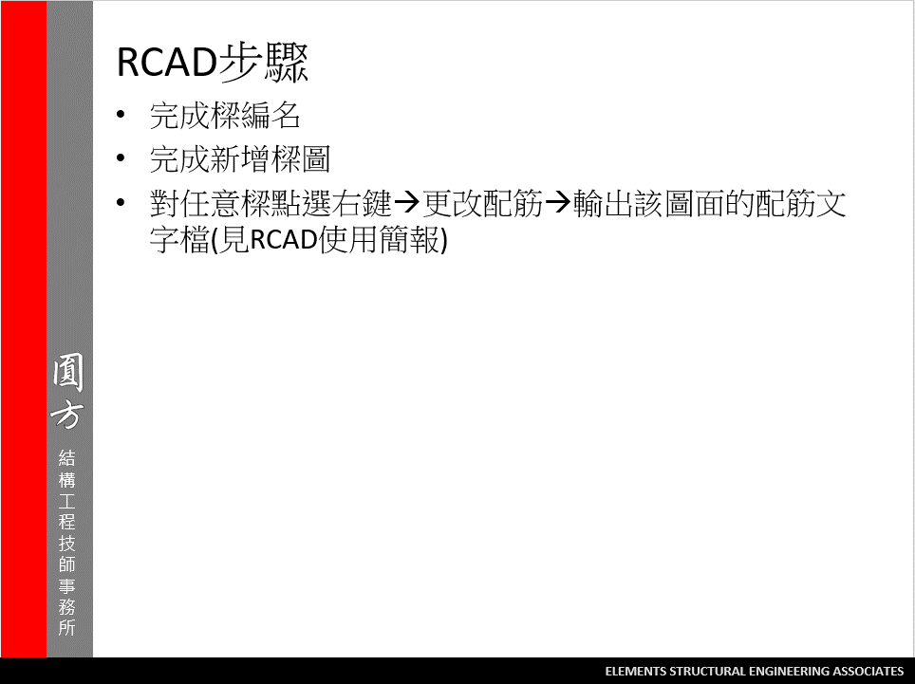
2

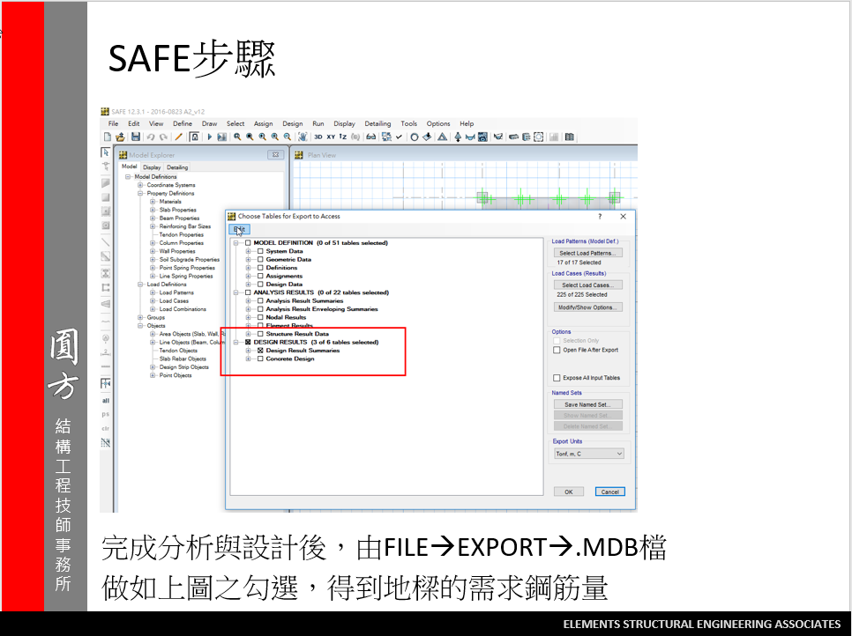
3
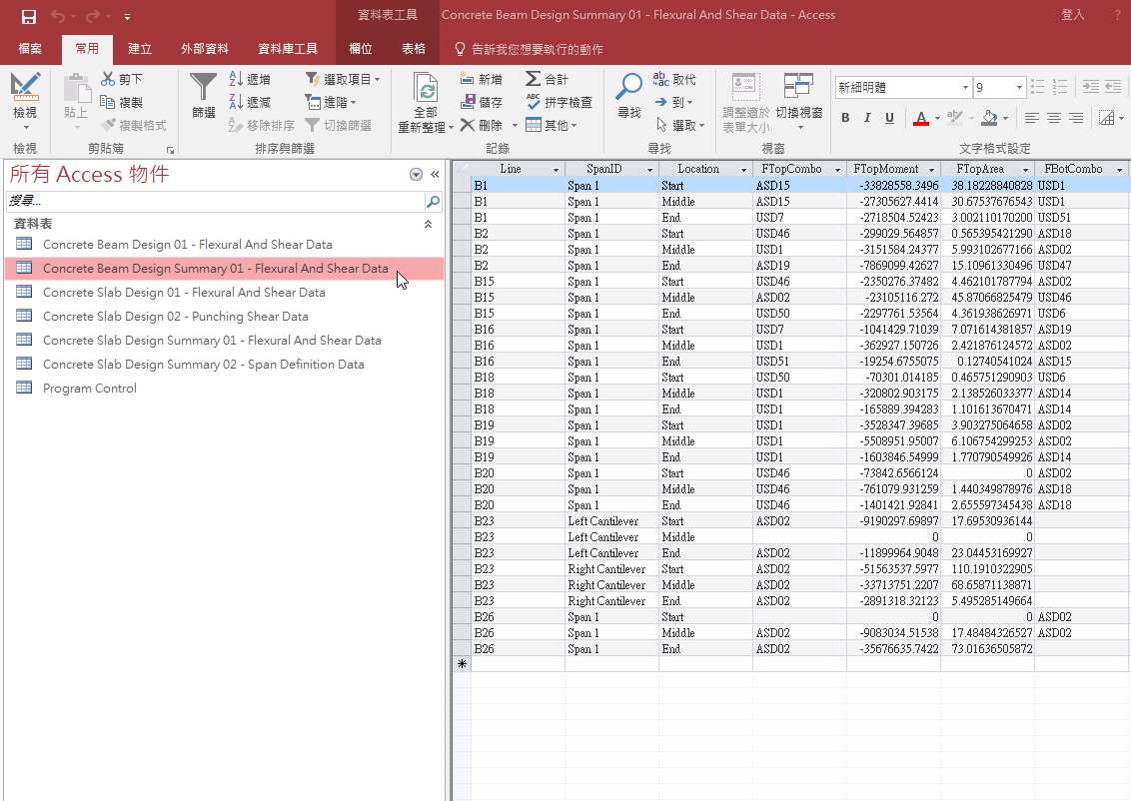

我們只會使用到游標選取的表格

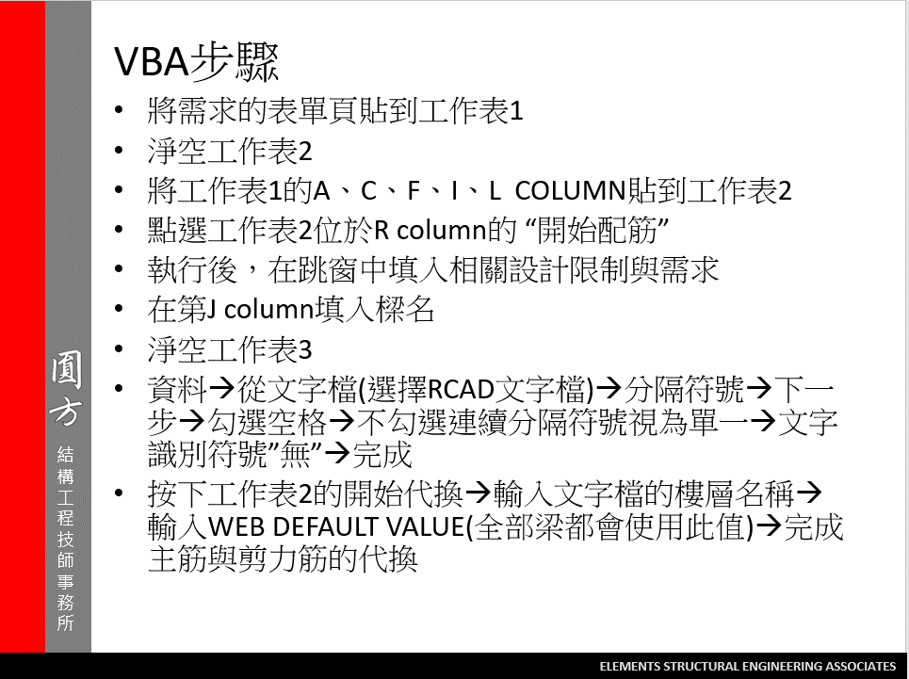
4

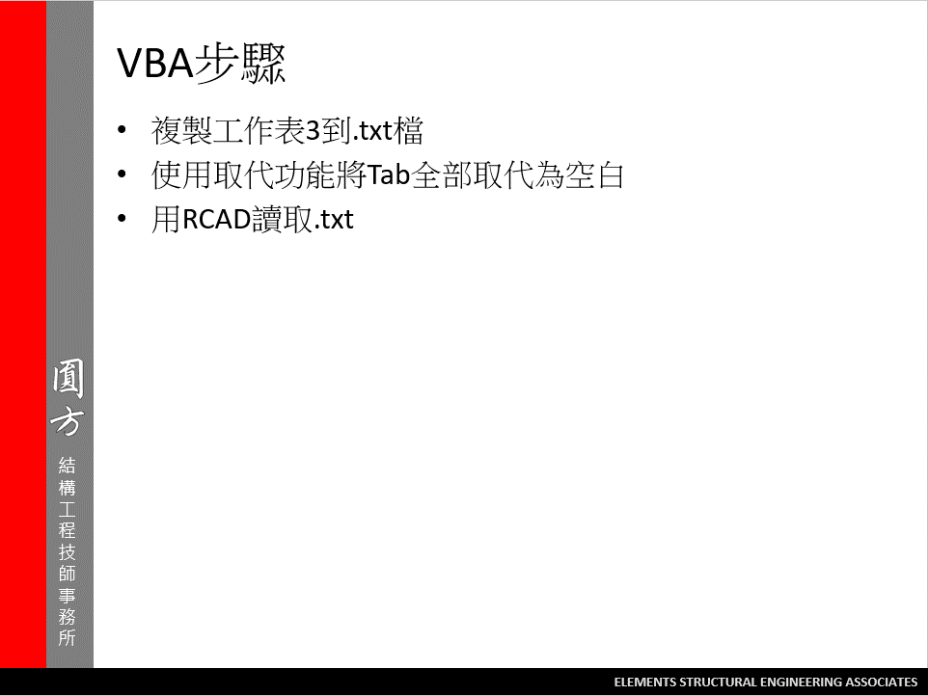
5

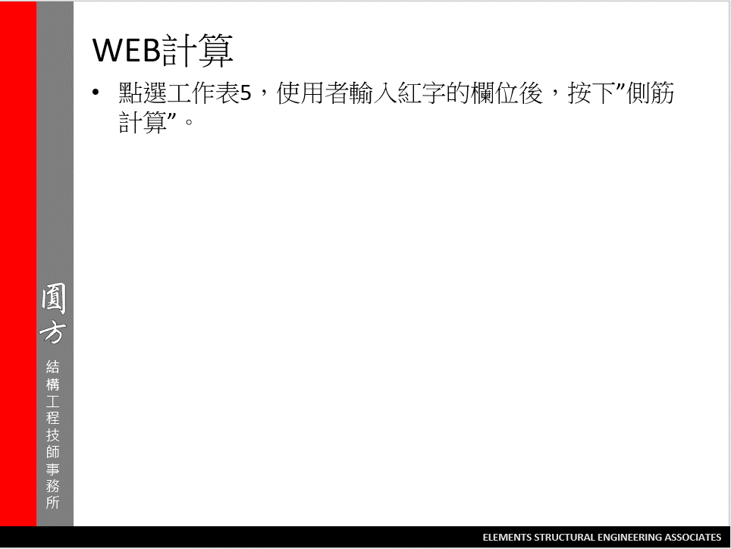

6

工作表5
WEB
側筋計算
 | 樑寬 = | 70
 | 樑深 = | 240
 | (BS+FS)厚度= | 78
 | 號數= | 4
 | 面積= | 1.27
 | S2= | 24.19047619
 | 單邊需要根數 | 7
 | 兩側總鋼筋量 | 17.78 | (cm^2)
 | 若改為 | 5 | 號筋 | 面積 | 1.99 | 兩側總鋼筋量 | 19.9
 |  | 3 |  | 面積 | 0.71 | 兩側總鋼筋量 | 17.04

 |  | 5 | 號的 | S | 37.904761905
 |  |  |  | 單邊根數 | 5
 |  | 3 | 號的 | S | 13.523809524
 |  |  |  | 單邊根數 | 12

 |  |  |  |  |  |  |  | 工作筋 | 2#4

